Gene_ontology
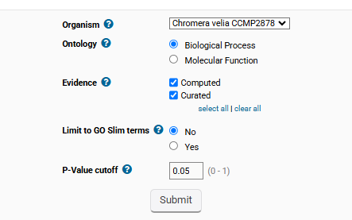
No enrichment was found with significance at the P-value threshold you specified.

